Front
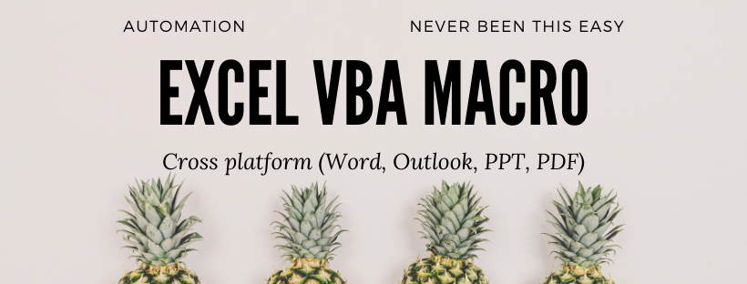

BISA EXCEL.
Password Protect Sheet & Workbook

facebook.com/ExcelBisa
bit.ly/YoutubeBisaExcel
Never been this easy !

Applied when :
1. You need to protect the data from being tampered with un-authorized user/developer
2. Prevent your forms / template editted/formatted unintentionally by other user
3. In the last development process of your Excel apps / automation / template

How to apply & requirement of this plugin :
1. Watch this whole tutorial videos
2. Copy and paste the code in your Excel files, adjust the variable accordingly
3. Have a base knowledge of declaring variables, cell reference, you can learn it for free in our Fb / YT channel
4. Ms. Excel 2013 higher up versions with : Macro enabled & saved as .xlsm excel file
5. Windows operating system not Mac OS

Content
BISA EXCEL.
https://www.facebook.com/ExcelBisa

Click button below to run the macro
https://bit.ly/YoutubeBisaExcel

